Sheet1
FLEECE & TEE"S |  |  |  |  |  | INVENTORY IS LIVE - SUBJECT TO CHANGE
FOB Paris ON
ALL INVENTORY SUBJECT TO PRIOR SALE/ SUBJECT TO FINAL COUNT AT TIME OF SALE!
(supplier may be open to offer based on volume/take all…by style)
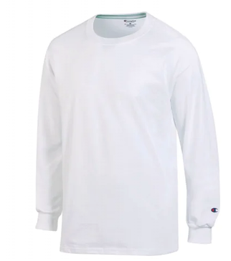
CHAMPION LONG SLEEVE TEE
CT1730
100% cotton
reinforced , taped shoulder seams
double needle stitched at cuffs and hems
C emblem at cuff

TOTALS | 1655 | 1335 | 892 | 724 | 656
PRICE $5.99
 |  |  |  | GRAND TOTAL | 5262

